EquityScreener
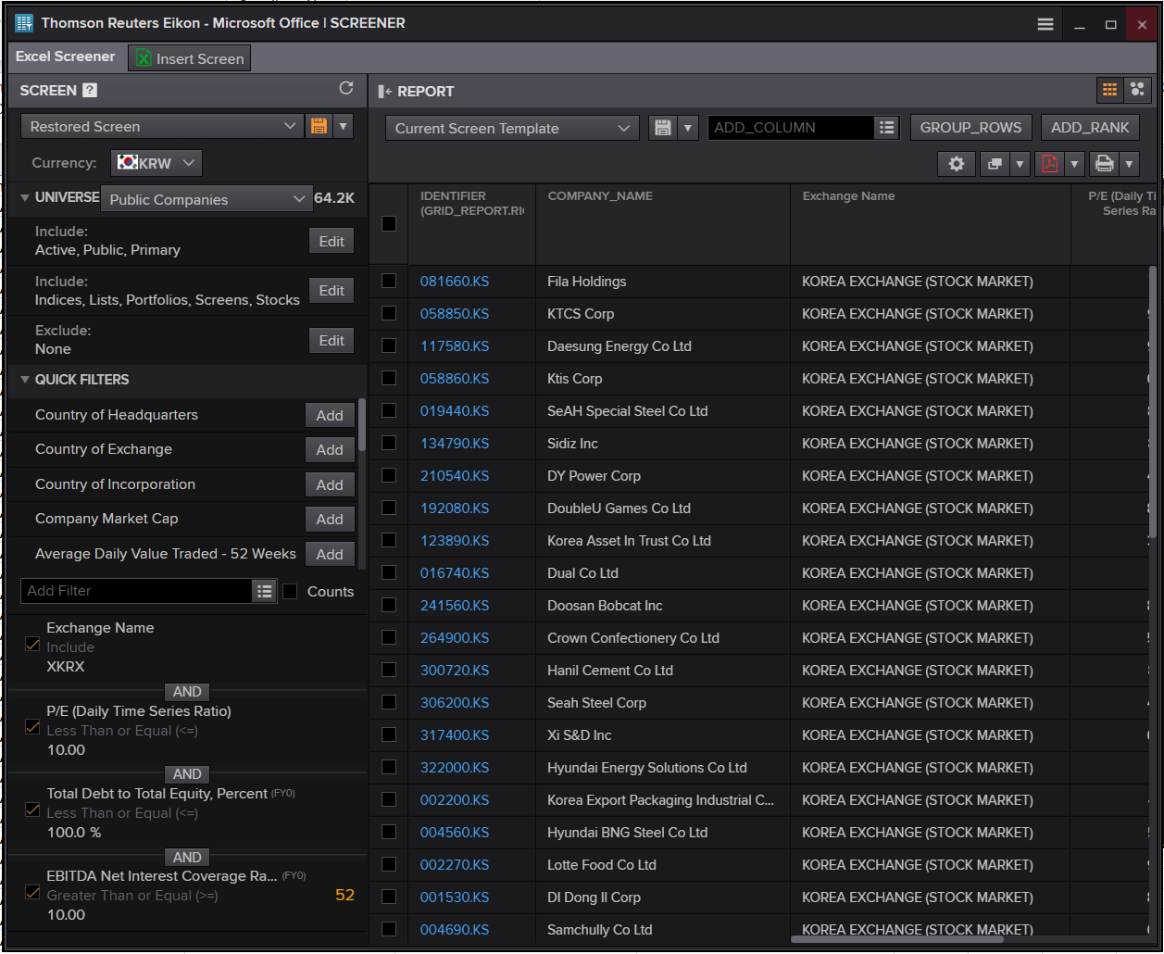
Updated at 09:50:59 | Company Common Name | Exchange Name | P/E (Daily Time Series Ratio) | Total Debt to Total Equity, Percent | EBITDA Net Interest Coverage Ratio
001060.KS | JW Pharmaceutical Corp | Korea Stock Exchange | 8.7771865811 | 27.839000417 | 42.951065975
000640.KS | Dong-A Socio Holdings Co Ltd | Korea Stock Exchange | 1.7686671371 | 70.498985704 | 23.369201238
008260.KS | NI Steel Co Ltd | Korea Stock Exchange | 5.3272168483 | 67.319951085 | 13.433920871
003300.KS | Hanil Holdings Co Ltd | Korea Stock Exchange | 5.7390446881 | 54.643692079 | 62.224738146
000240.KS | Hankook & Company Co Ltd | Korea Stock Exchange | 6.4429561458 | 7.2069510418 | 18.723544096
006390.KS | Hanil Hyundai Cement Co Ltd | Korea Stock Exchange | 5.8309570364 | 87.562934553 | 13.617959454
000050.KS | Kyungbang Ltd | Korea Stock Exchange | 7.1334727218 | 28.662538121 | 26.219340276
005810.KS | Poongsan Holdings Corp | Korea Stock Exchange | 6.7872536685 | 6.1137043669 | 143.0363104
005610.KS | SPC Samlip Co Ltd | Korea Stock Exchange | 5.1924624135 | 75.172504953 | 16.853562619
000370.KS | Hanwha General Insurance Co Ltd | Korea Stock Exchange | 2.7104418857 | 23.395376911 | 22.804695482
004560.KS | Hyundai BNG Steel Co Ltd | Korea Stock Exchange | 8.1119779974 | 28.023220455 | 272.47197031
009160.KS | SIMPAC Inc | Korea Stock Exchange | 7.4283295608 | 43.71222183 | 13.339859878
001250.KS | GS Global Corp | Korea Stock Exchange | 4.449290687 | 83.949959396 | 29.278937702
000120.KS | CJ Logistics Corp | Korea Stock Exchange | 7.8083381824 | 88.780587928 | 13.389580007
072710.KS | Nongshim Holdings Co Ltd | Korea Stock Exchange | 5.746008963 | 11.522486892 | 17.617117262
002350.KS | Nexen Tire Corp | Korea Stock Exchange | 4.8309162453 | 90.30168133 | 35.538321487
004250.KS | National Plastic Co Ltd | Korea Stock Exchange | 2.5017647983 | 16.308524206 | 219.72332178
004450.KS | Samhwa Crown & Closure Co Ltd | Korea Stock Exchange | 8.5965166138 | 61.173589176 | 31.13743434
005390.KS | Shinsung Tongsang Co Ltd | Korea Stock Exchange | 8.841316903 | 96.647636712 | 12.00929095
015890.KS | Taekyung Industrial Co Ltd | Korea Stock Exchange | 4.9461358803 | 32.091470512 | 22.433973007
020000.KS | Handsome Corp | Korea Stock Exchange | 8.9864666646 | 6.199193427 | 15.007523902
019180.KS | THN Corp | Korea Stock Exchange | 1.8307982362 | 87.911353789 | 73.563137067
011070.KS | LG Innotek Co Ltd | Korea Stock Exchange | 9.2348799412 | 49.958896025 | 70.300695236
053690.KS | HanmiGlobal Co Ltd | Korea Stock Exchange | 9.84420676 | 63.656239285 | 41.585756829
100220.KS | Visang Education Inc | Korea Stock Exchange | 4.7787856638 | 84.852944908 | 10.613643006
102260.KS | Dongsung Chemical Co Ltd | Korea Stock Exchange | 7.5673555614 | 35.725909164 | 54.140955763
014830.KS | Unid Co Ltd | Korea Stock Exchange | 7.3118375655 | 22.505801613 | 12.112288116
079430.KS | Hyundai Livart Furniture Co Ltd | Korea Stock Exchange | 9.2719442857 | 35.765437102 | 12.156279347
086280.KS | Hyundai Glovis Co Ltd | Korea Stock Exchange | 9.3660097595 | 46.50070731 | 11.692293328
089470.KS | HDC Hyundai Engineering Plastics Co Ltd | Korea Stock Exchange | 5.4986617034 | 43.65898 | 21.631463608
093050.KS | LF Corp | Korea Stock Exchange | 6.8137801496 | 52.796027471 | 468.5265603
011210.KS | Hyundai Wia Corp | Korea Stock Exchange | 8.5781470247 | 34.543718547 | 31.401205757
058860.KS | Ktis Corp | Korea Stock Exchange | 6.5148301951 | 76.10042211 | 12.622007114
129260.KS | Intergis Co Ltd | Korea Stock Exchange | 4.7361790402 | 31.808342829 | 20.192860489
013870.KS | GMB Korea Corp | Korea Stock Exchange | 5.654750195 | 72.629221817 | 36.165360052
264900.KS | Crown Confectionery Co Ltd | Korea Stock Exchange | 7.7013319877 | 9.6390654003 | 227.04590712
300720.KS | Hanil Cement Co Ltd | Korea Stock Exchange | 9.1458048406 | 43.133401954 | 23.399143796
402340.KS | SK Square Co Ltd | Korea Stock Exchange | 4.02008646 | 0.3757355892 | 262.15483029

111380.KS | Dong In Entech Co Ltd | KOREA EXCHANGE (STOCK MARKET) | 5.8820925681 | 39.272672334 | 15.640485442
462520.KS | Chosun Refractories Co Ltd | KOREA EXCHANGE (STOCK MARKET) | 9.049524293 | 66.756937606 | 23.936327129
267270.KS | HD Hyundai Construction Equipment Co Ltd | KOREA EXCHANGE (STOCK MARKET) | 9.2156945318 | 67.872648977 | 159.12022759
306200.KS | Seah Steel Corp | KOREA EXCHANGE (STOCK MARKET) | 2.7193407969 | 35.064428053 | 31.394811778
317400.KS | Xi S&D Inc | KOREA EXCHANGE (STOCK MARKET) | 2.859520956 | 72.297588706 | 50.769026752
344820.KS | KCC Glass Corp | KOREA EXCHANGE (STOCK MARKET) | 7.6343961387 | 27.974907348 | 22.896473331
334890.KS | IGIS Value Plus REIT Co Ltd | KOREA EXCHANGE (STOCK MARKET) | 4.5923699649 | 12.447630698 | 34.184591587
350520.KS | Igis Residence REIT Co Ltd | KOREA EXCHANGE (STOCK MARKET) | 1.1266001475 | 47.44210038 | 10.129375477

EquityScreenExcel
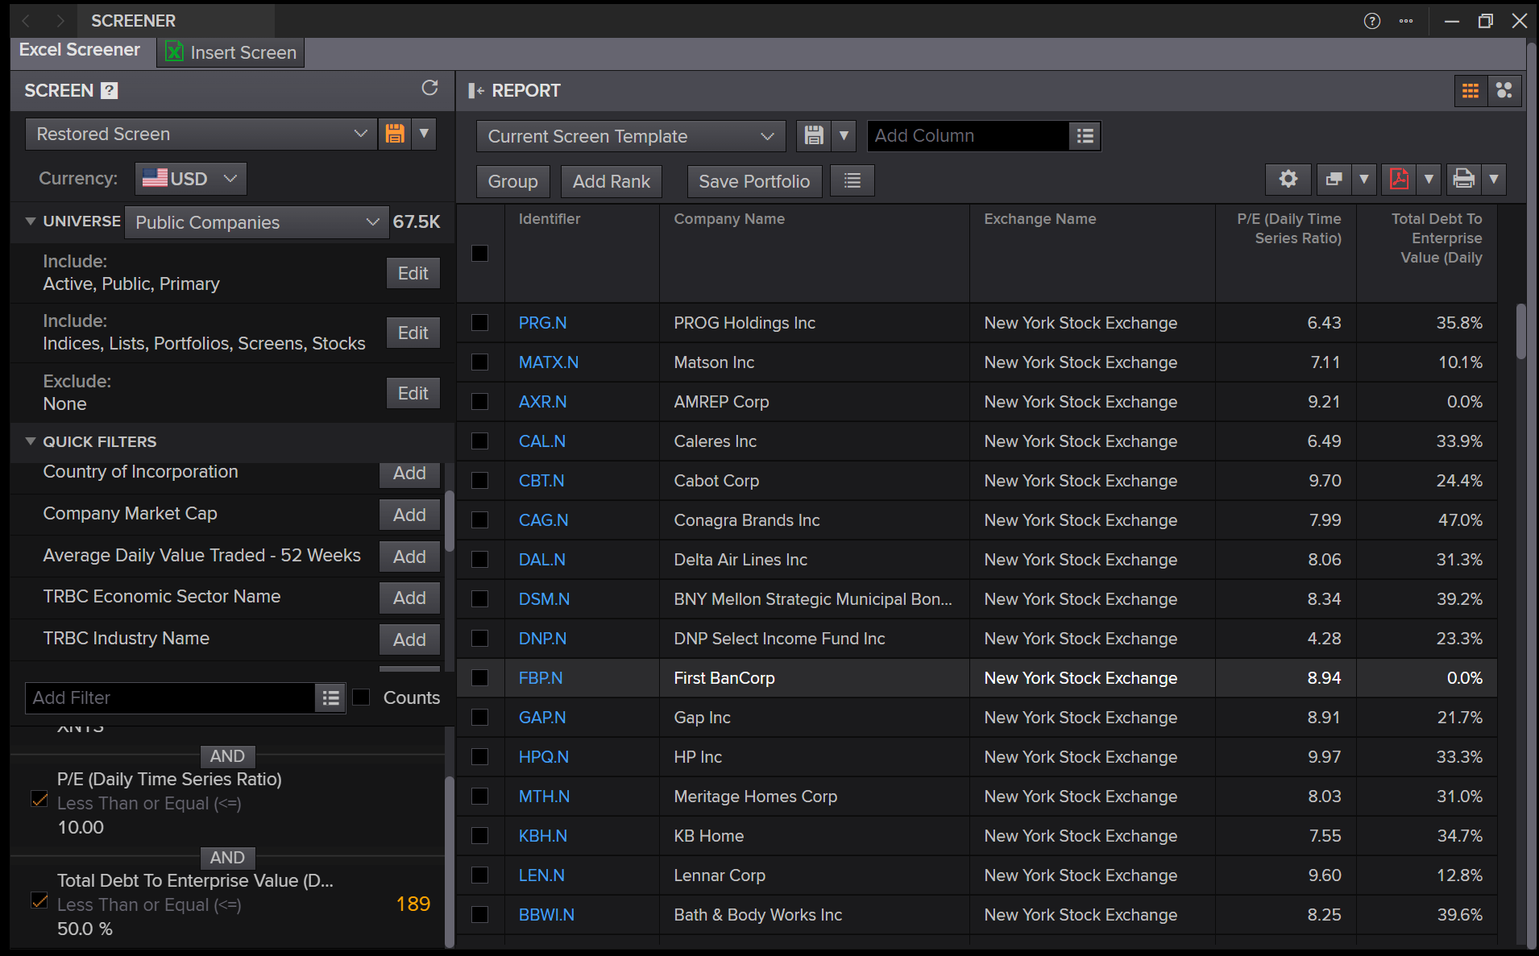
Updated at 09:50:59 | Company Common Name | Exchange Name | P/E (Daily Time Series Ratio) | Total Debt To Enterprise Value (Daily Time Series Ratio)
PRG.N | PROG Holdings Inc | New York Stock Exchange | 6.4320101018 | 35.767650403
MATX.N | Matson Inc | New York Stock Exchange | 7.1057500477 | 10.064438947
AXR.N | AMREP Corp | New York Stock Exchange | 9.2056268101 | 0.035736129974
CAL.N | Caleres Inc | New York Stock Exchange | 6.4935334537 | 33.938723757
CBT.N | Cabot Corp | New York Stock Exchange | 9.7004537018 | 24.402714912
CAG.N | Conagra Brands Inc | New York Stock Exchange | 7.9938048013 | 46.996169361
DAL.N | Delta Air Lines Inc | New York Stock Exchange | 8.064212068 | 31.343511233
DSM.N | BNY Mellon Strategic Municipal Bond Fund Inc | New York Stock Exchange | 8.3437566735 | 39.227973603
DNP.N | DNP Select Income Fund Inc | New York Stock Exchange | 4.2754040061 | 23.334629779
FBP.N | First BanCorp | New York Stock Exchange | 8.9446864952 | 0
GAP.N | Gap Inc | New York Stock Exchange | 8.9051859612 | 21.655225132
HPQ.N | HP Inc | New York Stock Exchange | 9.9740712731 | 33.254660374
MTH.N | Meritage Homes Corp | New York Stock Exchange | 8.0272403723 | 30.954725158
KBH.N | KB Home | New York Stock Exchange | 7.5490629525 | 34.650838488
LEN.N | Lennar Corp | New York Stock Exchange | 9.6018148703 | 12.792046319
BBWI.N | Bath & Body Works Inc | New York Stock Exchange | 8.2451914129 | 39.600200081
MSB.N | Mesabi Trust | New York Stock Exchange | 4.5221225888 | 0
NL.N | NL Industries Inc | New York Stock Exchange | 5.3042121685 | 0.21408923259
NC.N | NACCO Industries Inc | New York Stock Exchange | 8.9090330582 | 28.16278682
NE.N | Noble Corporation PLC | New York Stock Exchange | 9.6621254677 | 31.510412528
NRT.N | North European Oil Royalty Trust | New York Stock Exchange | 8.8397790055 | 0
OXM.N | Oxford Industries Inc | New York Stock Exchange | 8.4679895229 | 15.480046332
PHM.N | Pultegroup Inc | New York Stock Exchange | 8.7328409991 | 8.8630531958
MO.N | Altria Group Inc | New York Stock Exchange | 9.8278124414 | 21.662757636
RVT.N | Royce Small-Cap Trust Inc | New York Stock Exchange | 8.3391617797 | 1.8835787851
SNV.N | Synovus Financial Corp | New York Stock Exchange | 9.3835196652 | 35.254006717
EMF.N | Templeton Emerging Markets Fund Inc | New York Stock Exchange | 7.4604834553 | 2.1823753087
SABA.N | Saba Capital Income & Opportunities Fund II | New York Stock Exchange | 6.2730979558 | 0
TTI.N | Tetra Technologies Inc | New York Stock Exchange | 4.2710285682 | 28.219724654
TOL.N | Toll Brothers Inc | New York Stock Exchange | 9.14786577 | 19.668629224
UHS.N | Universal Health Services Inc | New York Stock Exchange | 8.7016732821 | 31.829482414
VHI.N | Valhi Inc | New York Stock Exchange | 4.2981232826 | 48.165997453
GHC.N | Graham Holdings Co | New York Stock Exchange | 6.416923113 | 22.650466591
CRT.N | Cross Timbers Royalty Trust | New York Stock Exchange | 9.6305604423 | 0
M.N | Macy's Inc | New York Stock Exchange | 6.9358083857 | 49.878691642
ADX.N | Adams Diversified Equity Fund Inc | New York Stock Exchange | 4.7744812511 | 0
MTG.N | MGIC Investment Corp | New York Stock Exchange | 8.4907479438 | 9.9202592254
RDN.N | Radian Group Inc | New York Stock Exchange | 8.5366848103 | 34.596152649
SM.N | SM Energy Co | New York Stock Exchange | 4.0328574113 | 45.48933025
SITC.N | Site Centers Corp | New York Stock Exchange | 1.049639691 | 36.957616798
MHO.N | M/I Homes Inc | New York Stock Exchange | 6.7694060606 | 28.357410497
EMN.N | Eastman Chemical Co | New York Stock Exchange | 9.7629080764 | 37.102041753
TK.N | Teekay Corp Ltd | New York Stock Exchange | 5.3783395777 | 0
MLR.N | Miller Industries Inc | New York Stock Exchange | 9.0833951288 | 13.952861869
SGU.N | Star Group LP | New York Stock Exchange | 6.9051147046 | 36.531017584
RNR.N | Renaissancere Holdings Ltd | New York Stock Exchange | 6.2580610929 | 11.219237919
ANF.N | Abercrombie & Fitch Co | New York Stock Exchange | 9.7145902054 | 0
INVX.N | Innovex International Inc | New York Stock Exchange | 6.4995013218 | 2.163650045
ASA.N | ASA Gold and Precious Metals Ltd | New York Stock Exchange | 5.2678650404 | 0
TY.N | Tri-Continental Corp | New York Stock Exchange | 5.357943335 | 0
SOR.N | Source Capital Inc | New York Stock Exchange | 9.1517434605 | 0
BTO.N | John Hancock Financial Opportunities Fund | New York Stock Exchange | 5.0527073903 | 15.478126921
UNM.N | Unum Group | New York Stock Exchange | 9.4452563182 | 21.421209063
ASG.N | Liberty All-Star Growth Fund Inc | New York Stock Exchange | 6.7550203752 | 0
USA.N | Liberty All-Star Equity Fund | New York Stock Exchange | 7.4734054491 | 0.49613855387
VZ.N | Verizon Communications Inc | New York Stock Exchange | 9.8424647986 | 45.275339445
EGY.N | VAALCO Energy Inc | New York Stock Exchange | 6.9707694795 | 18.052301558
FLR.N | Fluor Corp | New York Stock Exchange | 5.3545904448 | 13.76978348
NOV.N | Nov Inc | New York Stock Exchange | 9.4646079807 | 32.265544359
BTU.N | Peabody Energy Corp | New York Stock Exchange | 5.7434564693 | 21.98787627
BG.N | Bunge Global SA | New York Stock Exchange | 9.7276511337 | 49.386577997
DVN.N | Devon Energy Corp | New York Stock Exchange | 7.7595959274 | 29.844200129
PCN.N | Pimco Corporate & Income Strategy Fund | New York Stock Exchange | 9.8828467611 | 3.921793464
CRI.N | Carter's Inc | New York Stock Exchange | 5.848817009 | 43.557108023
NCV.N | Virtus Convertible & Income Fund | New York Stock Exchange | 5.4374409901 | 19.438505676
AXS.N | AXIS Capital Holdings Ltd | New York Stock Exchange | 9.5566310791 | 19.69078398
NCZ.N | Virtus Convertible & Income Fund II | New York Stock Exchange | 5.3535295611 | 12.683490521
GDV.N | Gabelli Dividend & Income Trust | New York Stock Exchange | 7.9559454807 | 10.335788104
KRO.N | Kronos Worldwide Inc | New York Stock Exchange | 7.2920277814 | 44.992757925
TYG.N | Tortoise Energy Infrastructure Corp | New York Stock Exchange | 2.1716485288 | 14.774701294
AGO.N | Assured Guaranty Ltd | New York Stock Exchange | 9.9074024831 | 29.806436528
UTF.N | Cohen & Steers Infrastructure Fund Inc | New York Stock Exchange | 9.3411493491 | 27.136468338
FFA.N | First Trust Enhanced Equity Income Fund | New York Stock Exchange | 5.5205770787 | 0
KYN.N | Kayne Anderson Energy Infrastructure Fund Inc | New York Stock Exchange | 2.2212438966 | 23.416436535
TDF.N | Templeton Dragon Fund Inc | New York Stock Exchange | 9.7464698933 | 0.33969281015
EOS.N | Eaton Vance Enhanced Equity Income Fund II | New York Stock Exchange | 4.5719137695 | 0
BXMX.N | Nuveen S&P 500 BuyWrite Income Fund | New York Stock Exchange | 6.3709211666 | 1.5379801472
PFN.N | PIMCO Income Strategy Fund II | New York Stock Exchange | 8.4293340826 | 10.027367213
HY.N | Hyster-Yale Inc | New York Stock Exchange | 7.7409221794 | 40.469844948
SDRL.N | Seadrill Ltd | New York Stock Exchange | 5.8289924278 | 28.580100964
SPXX.N | Nuveen S&P 500 Dynamic Overwrite Fund | New York Stock Exchange | 5.3389918535 | 0
CPA.N | Copa Holdings SA | New York Stock Exchange | 7.4516901114 | 35.183255139
SD.N | SandRidge Energy Inc | New York Stock Exchange | 6.0674813936 | 0
IGD.N | Voya Global Equity Dividend and Premium Opportunity Fund | New York Stock Exchange | 6.832371304 | 0
IFN.N | India Fund Inc | New York Stock Exchange | 5.4701763467 | 0
CMU.N | MFS High Yield Municipal Trust | New York Stock Exchange | 6.6408637197 | 38.041572321
CXE.N | MFS High Income Municipal Trust | New York Stock Exchange | 6.7384147398 | 38.556739771
CII.N | Blackrock Enhanced Large Cap Core Fund Inc | New York Stock Exchange | 7.3529664764 | 0.070453272678
CEE.N | Central and Eastern Europe Fund Inc | New York Stock Exchange | 3.5449461617 | 6.0658121332
PGP.N | PIMCO Global StocksPLUS & Income Fund | New York Stock Exchange | 8.1247747177 | 14.926124755
BDJ.N | BlackRock Enhanced Equity Dividend Trust | New York Stock Exchange | 9.704155003 | 0
KTF.N | DWS Municipal Income Trust | New York Stock Exchange | 9.6413114903 | 38.07854889
ETB.N | Eaton Vance Tax-Managed Buy-Write Income Fund | New York Stock Exchange | 5.5681931328 | 0
ZTR.N | Virtus Total Return Fund Inc | New York Stock Exchange | 4.6180057389 | 33.263932841
ETV.N | Eaton Vance Tax-Managed Buy-Write Opportunities Fund | New York Stock Exchange | 4.716932693 | 0
ETW.N | Eaton Vance Tax-Managed Global Buy-Write Opportunities Fund | New York Stock Exchange | 8.5496901718 | 0
FT.N | Franklin Universal Trust | New York Stock Exchange | 5.7232658431 | 23.374009432
PMM.N | Putnam Managed Municipal Income Trust | New York Stock Exchange | 4.2897260324 | 3.4220744076
GAM.N | General American Investors Co Inc | New York Stock Exchange | 5.7278902737 | 0
EMD.N | Western Asset Emerging Markets Debt Fund Inc | New York Stock Exchange | 9.5083728338 | 25.427946948
CHN.N | China Fund Inc | New York Stock Exchange | 8.2841770249 | 0.40735889915
IGA.N | Voya Global Advantage and Premium Opportunity Fund | New York Stock Exchange | 6.4916022394 | 0
SCD.N | LMP Capital And Income Fund Inc | New York Stock Exchange | 3.0755720584 | 20.304422183
IIF.N | Morgan Stanley India Investment Fund Inc | New York Stock Exchange | 4.240831722 | 0
RMT.N | Royce Micro-Cap Trust Inc | New York Stock Exchange | 7.5905955274 | 0.39987338281
DAC.N | Danaos Corp | New York Stock Exchange | 3.8222866379 | 39.838488918
FOF.N | Cohen & Steers Closed End Opportunity Fund Inc | New York Stock Exchange | 5.8432050504 | 0
SBH.N | Sally Beauty Holdings Inc | New York Stock Exchange | 5.8679595813 | 48.756530313
GRBK.N | Green Brick Partners Inc | New York Stock Exchange | 8.0326790548 | 10.328414786
NIE.N | Virtus Equity & Convertible Income Fund | New York Stock Exchange | 5.1539706198 | 0
EOD.N | Allspring Global Dividend Opportunity Fund | New York Stock Exchange | 7.948897896 | 16.581407241
MVO.N | MV Oil Trust | New York Stock Exchange | 4.4122137405 | 0
EDD.N | Morgan Stanley Emerging Markets Domestic Debt Fund Inc | New York Stock Exchange | 8.6116468717 | 10.918160486
AWP.N | abrdn Global Premier Properties Fund | New York Stock Exchange | 7.3002439768 | 12.664530847
JCE.N | Nuveen Core Equity Alpha Fund | New York Stock Exchange | 4.5557752445 | 0
ETJ.N | Eaton Vance Risk-Managed Diversified Equity Income Fund | New York Stock Exchange | 4.4719865192 | 0
GOF.N | Guggenheim Strategic Opportunities Fund | New York Stock Exchange | 9.9111930845 | 13.909245782
JRS.N | Nuveen Real Estate Income Fund | New York Stock Exchange | 8.883306691 | 34.401932628
SRV.N | NXG Cushing Midstream Energy Fund | New York Stock Exchange | 2.916072939 | 20.907128622
TNK.N | Teekay Tankers Ltd | New York Stock Exchange | 4.6298455095 | 0
FOR.N | Forestar Group Inc | New York Stock Exchange | 7.8708254944 | 44.56518971
NOG.N | Northern Oil and Gas Inc | New York Stock Exchange | 4.625362743 | 44.3523272
STNG.N | Scorpio Tankers Inc | New York Stock Exchange | 4.4220552348 | 35.699023173
EDF.N | Virtus Stone Harbor Emerging Markets Income Fund | New York Stock Exchange | 4.5046658666 | 24.39798833
VOC.N | VOC Energy Trust | New York Stock Exchange | 5.504 | 0
STK.N | Columbia Seligman Premium Technology Growth Fund Inc | New York Stock Exchange | 3.9297675783 | 0
DPG.N | Duff & Phelps Utility and Infrastructure Fund Inc | New York Stock Exchange | 3.3922284647 | 26.373273762
SQNS.N | Sequans Communications SA | New York Stock Exchange | 0.68359817104 | 3.5435784899
ARDC.N | Ares Dynamic Credit Allocation Fund Inc | New York Stock Exchange | 8.8245828547 | 40.296864153
SXC.N | SunCoke Energy Inc | New York Stock Exchange | 7.6289037458 | 47.658016147
VTOL.N | Bristow Group Inc | New York Stock Exchange | 9.3198921206 | 45.184886338
MTDR.N | Matador Resources Co | New York Stock Exchange | 7.7181459413 | 32.28531988
VIPS.N | Vipshop Holdings Ltd | New York Stock Exchange | 8.1308552828 | 12.604497138
PDI.N | PIMCO Dynamic Income Fund | New York Stock Exchange | 9.645427241 | 29.520966367
BWG.N | Brandywineglobal Global Income Opportunities Fund Inc | New York Stock Exchange | 9.5659754083 | 41.923340126
BGB.N | Blackstone Strategic Credit 2027 Term Fund | New York Stock Exchange | 9.9839201286 | 37.806361061
JPI.N | Nuveen Preferred Securities & Income Opportunities Fund | New York Stock Exchange | 9.6733976841 | 36.403182179
LDP.N | Cohen & Steers Ltd Duration Preferred & Income Fund Inc | New York Stock Exchange | 7.1908808573 | 33.966732141
GHY.N | PGIM Global High Yield Fund Inc | New York Stock Exchange | 7.9415116758 | 20.118370684
TMHC.N | Taylor Morrison Home Corp | New York Stock Exchange | 6.9966812243 | 26.345239541
TPH.N | Tri Pointe Homes Inc (Delaware) | New York Stock Exchange | 8.059524325 | 31.978899466
ASC.N | Ardmore Shipping Corp | New York Stock Exchange | 4.5885632144 | 4.8011561694
ESNT.N | Essent Group Ltd | New York Stock Exchange | 8.2117816887 | 8.2743083314
HRTG.N | Heritage Insurance Holdings Inc | New York Stock Exchange | 8.1477178882 | 34.501392342
CCS.N | Century Communities Inc | New York Stock Exchange | 7.2133220087 | 48.853306975
BST.N | BlackRock Science and Technology Trust | New York Stock Exchange | 4.9718508317 | 0.041752677539
CRC.N | California Resources Corp | New York Stock Exchange | 9.2369244832 | 18.922062619
ACV.N | Virtus Diversified Income & Convertible Fund | New York Stock Exchange | 4.9172195831 | 31.483633183
EQBK.N | Equity Bancshares Inc | New York Stock Exchange | 9.4872390824 | 13.967257184
PR.N | Permian Resources Corp | New York Stock Exchange | 8.8463342964 | 24.792428164
ASIX.N | AdvanSix Inc | New York Stock Exchange | 6.8482614966 | 27.576719932
AA.N | Alcoa Corp | New York Stock Exchange | 7.8980563779 | 28.862108182
INSW.N | International Seaways Inc | New York Stock Exchange | 6.3373923154 | 23.944723367
JILL.N | JJill Inc | New York Stock Exchange | 7.4161890415 | 23.810626915
HBB.N | Hamilton Beach Brands Holding Co | New York Stock Exchange | 6.8379838977 | 21.654270758
FINV.N | FinVolution Group | New York Stock Exchange | 6.4106347284 | 0.24324440714
PAGS.N | PagSeguro Digital Ltd | New York Stock Exchange | 6.5982354041 | 25.14730119
STG.N | Sunlands Technology Group | New York Stock Exchange | 3.475816857 | 7.3314915146
PRT.N | PermRock Royalty Trust | New York Stock Exchange | 9.0382745514 | 0
DFP.N | Flaherty & Crumrine Dynamic Preferred and Income Fund Inc | New York Stock Exchange | 5.1786105026 | 39.517707147
DIAX.N | Nuveen Dow 30SM Dynamic Overwrite Fund | New York Stock Exchange | 8.5799115829 | 0
JGH.N | Nuveen Global High Income Fund | New York Stock Exchange | 7.611131864 | 29.114900205
HYI.N | Western Asset High Yield Defined Opportunity Fund Inc | New York Stock Exchange | 9.2086889061 | 0
RGT.N | Royce Global Trust Inc | New York Stock Exchange | 9.3912409203 | 2.4298716682
XYF.N | X Financial | New York Stock Exchange | 2.8634848511 | 47.15331794
EMO.N | Clearbridge Energy Midstream Opportunity Fund Inc | New York Stock Exchange | 2.9980857054 | 27.123755128
ARDT.N | Ardent Health Inc | New York Stock Exchange | 6.6651660664 | 43.851125354
AIO.N | Virtus Artificial Intelligence & Technology Opportunities Fund | New York Stock Exchange | 5.2425726676 | 13.789083875
ECO.N | Okeanis Eco Tankers Corp | New York Stock Exchange | 9.9569071508 | 48.461005625
PDX.N | PIMCO Dynamic Income Strategy Fund | New York Stock Exchange | 4.6070465803 | 24.432968815
BCAT.N | BlackRock Capital Allocation Term Trust | New York Stock Exchange | 8.1191534749 | 0
BSTZ.N | BlackRock Science and Technology Term Trust | New York Stock Exchange | 5.5952596227 | 0.49483444271
IH.N | Ihuman Inc | New York Stock Exchange | 5.3141503171 | 0
PDO.N | PIMCO Dynamic Income Opportunities Fund | New York Stock Exchange | 6.716299542 | 35.191921924
DFH.N | Dream Finders Homes Inc | New York Stock Exchange | 8.5591075279 | 37.657683425
HKD.N | AMTD Digital Inc | New York Stock Exchange | 7.7155172414 | 28.960295798
NBXG.N | Neuberger Berman Next Generation Connectivity Fund Inc | New York Stock Exchange | 9.3585679303 | 0
KBDC.N | Kayne Anderson BDC Inc | New York Stock Exchange | 8.8954656194 | 47.928037967
SLVM.N | Sylvamo Corp | New York Stock Exchange | 7.1037499011 | 30.969818056
ECAT.N | BlackRock ESG Capital Allocation Term Trust | New York Stock Exchange | 6.842072266 | 0.2718913746
PAXS.N | PIMCO Access Income Fund | New York Stock Exchange | 6.6569487039 | 38.295678172
MEGI.N | NYLI CBRE Global Infrastructure Megatrends Term Fund | New York Stock Exchange | 7.323722987 | 24.773728238
GUG.N | Guggenheim Active Allocation Fund | New York Stock Exchange | 6.3234558383 | 29.67608987
NPFD.N | Nuveen Variable Rate Preferred & Income Fund | New York Stock Exchange | 9.0440982308 | 30.373148715
MNR.N | Mach Natural Resources LP | New York Stock Exchange | 9.6413324608 | 20.149830439
HG.N | Hamilton Insurance Group Ltd | New York Stock Exchange | 7.0590571377 | 9.7294167012
CON.N | Concentra Group Holdings Parent Inc | New York Stock Exchange | 9.1971484264 | 39.074745789
CBNA.N | Chain Bridge Bancorp Inc | New York Stock Exchange | 8.2714283517 | 0
AII.N | American Integrity Insurance Group Inc | New York Stock Exchange | 8.8458211476 | 0.91904869524

